Hierarchical Decision Model HDM
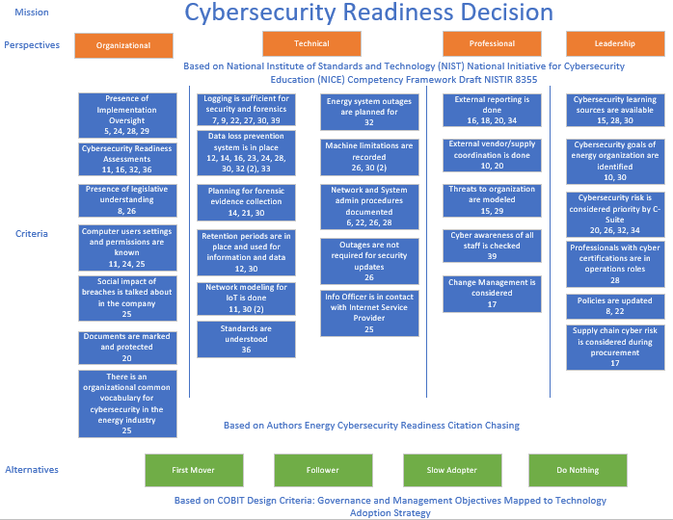

Perspectives
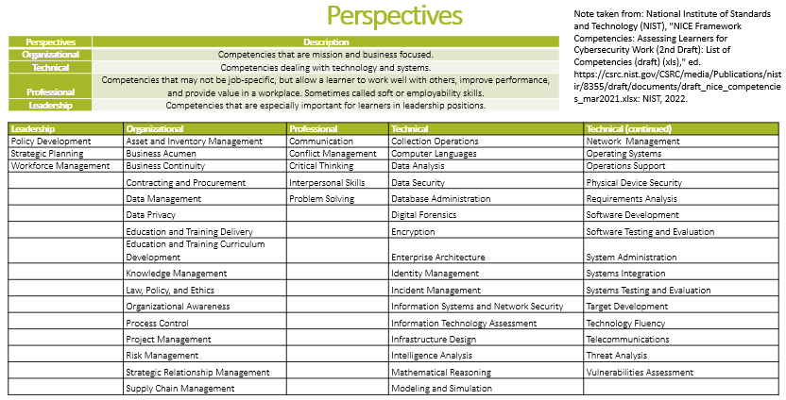

Alternatives
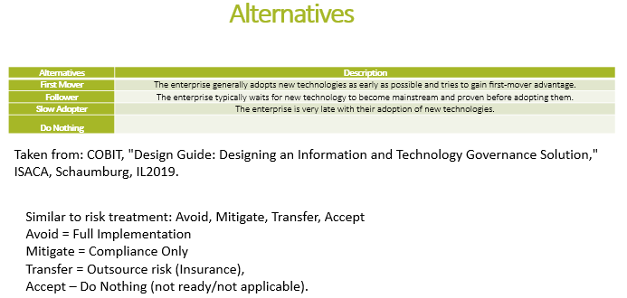

The Control Objectives for Information Technologies (COBIT) Design Criteria references technology adoption in Figure 4.8 on page 40.

